Weekly Progress Report
MODON - Weekly Progress Report - Construction Projects |  |  |  |  |  |  |  |  |  |  |  |  |  |  |  |  |  |  |  |  |  |  |  |  |  |  |  |  |  | Data Date | 15-Sep-26
Contract General Information |  |  |  |  |  | Key Dates |  |  |  |  | Cost Summary (SR) |  |  |  |  |  |  |  | Performance Summary |  |  |  |  |  | Project Scope
Project Name | Improvement of Waad Al Shamal Industrial City Fence & Gates |  |  |  |  | Contract Award | Contract Award (Hijri) | 26/03/2026 | Revised Completion | 5-Oct-26 | Original Contract Value |  | 15,898,659 |  | O&M Value (if any) |  | 0 |  | Plan Value | 64.22% | Phys. Plan Value | 51.42% | Quality Score | 86.6% | #REF!
Project ID | WAS1-05-006 |  | Stage | Construction |  | Contract Sign | Contract Sign (Hijri) | 26/03/2026 | Committed Completion | 5-Oct-26 | Revised Contract Value |  | 15,898,659 |  | Submitted Invoices (Gross Value) |  | 0 |  | Earn Value | 29.53% | Phys. Earn Value | 17.98% |  | ¢¢¢¢¢ ¢¢¢££
Contractor | Hamza Mohammad Alderi Construction Co. |  | Status | Active |  | Site Handover | Site Handover (Hijri) | 06/05/2026 | Forecast Completion | 5-Oct-26 | Estimate At Completion Value |  | 15,898,659 |  | Penalities |  | 0 |  | Variance | (34.7%) | Variance | (33.4%) | Safety Score | 85.0%
Consultant | Consolidated Consultants Group |  | Modon PM | Muhammed H. Al-Essa |  | Original Completion | Original Completion (Hijri) | 05/10/2026 | Variance | 0 | Potential Changes |  | 0 |  | FIR Value (Todate) |  | 0 |  | FIR % | 0.0% | Invoiced % | 0.0% |  | ¢¢¢¢¢ ¢¢¢££ |  |  |  |  |  |  |  |  | A

 | Planned (%) | Earned (%)
KUMT-05-001.6 Engineering | 0 | 0
KUMT-05-001.7 Procurement | 2,876,911 | 1,896,470
KUMT-05-001.3 Construction | 6,866,944 | 2,618,990
Progress Overview
Earned Value Progress (SAR) |  |  |  |  |  |  |  |  |  |  |  |  | Physical Progress (Effort) |  |  |  |  |  |  |  |  |  |  |  | Earned Value Progress (%)
WBS |  | BOQ Value (SAR) | % Wt. | Weekly (SAR) |  |  |  |  | To Date (SAR) |  |  |  | Budgeted | % Wt. | Weekly Physical Progress |  |  |  | To Date Physical Progress
 |  |  |  | Planned |  | Earned |  | Original Plan % | Planned |  | Earned |  | (Manhours) |  | Planned |  | Earned |  | Planned |  | Earned
WAS1-05-006 - B1 - B1 - B1 - B1.2 Mobilization |  | - | 0.0% | - |  | - |  | - | - |  | - |  | 2,956 | 3.0% | - |  | - |  | 2,956 |  | 2,956
WAS1-05-006 - B1 - B1 - B1 - B1.3 Preliminary Submittals |  | - | 0.0% | - |  | - |  | - | - |  | - |  | - | 0.0% | - |  | - |  | - |  | -
WAS1-05-006 - B1 - B1 - B1 - B1.6 Engineering |  | 476,990 | 3.0% | 171,975.91 |  | - |  | 465,632.88 | 465,632.88 |  | 180,087.98 |  | 4,927 | 5.0% | 856 |  | 743 |  | 4,849 |  | 2,700
WAS1-05-006 - B1 - B1 - B1 - B1.7 Procurement |  | 3,179,932 | 20.0% | 111,497.82 |  | 420,166.85 |  | 2,876,910.67 | 2,876,910.67 |  | 1,896,470.12 |  | 12,811 | 13.0% | 2,545 |  | 539 |  | 5,894 |  | 2,301
WAS1-05-006 - B1 - B1 - B1 - B1.8 Construction |  | 10,651,772 | 67.0% | 2,087,853.78 |  | 1,252,572.46 |  | 6,866,943.60 | 6,866,943.60 |  | 2,618,990.15 |  | 73,908 | 75.0% | 9,407 |  | 2,169 |  | 36,969 |  | 9,759
WAS1-05-006 - B1 - B1 - B1 - B1.8.1 FENCES |  | 9,040,220 | 56.9% | 1,919,203.54 |  | 1,228,808.31 |  | 6,229,712.52 | 6,229,712.52 |  | 2,559,551.67 |  | 4,885 | 5.0% | 639 |  | 448 |  | 3,477 |  | 1,699
WAS1-05-006 - B1 - B1 - B1 - B1.8.2 GUARD HOUSE 1 |  | 438,683 | 2.8% | 5,095.88 |  | 11,208.14 |  | 135,867.09 | 135,867.09 |  | 27,034.73 |  | 22,300 | 22.6% | 1,530 |  | 658 |  | 8,793 |  | 3,249
WAS1-05-006 - B1 - B1 - B1 - B1.8.3 GUARD HOUSE 2 |  | 438,683 | 2.8% | 36,264.02 |  | 1,347.89 |  | 181,553.58 | 181,553.58 |  | 5,369.03 |  | 22,300 | 22.6% | 3,281 |  | 404 |  | 11,766 |  | 1,561
WAS1-05-006 - B1 - B1 - B1 - B1.8.5 GUARD HOUSE 3 |  | 438,683 | 2.8% | 36,264.02 |  | 11,208.14 |  | 181,553.58 | 181,553.58 |  | 27,034.73 |  | 22,300 | 22.6% | 3,281 |  | 658 |  | 11,766 |  | 3,249
WAS1-05-006 - B1 - B1 - B1 - B1.8.4 EXT. WORKS |  | 295,502 | 1.9% | 91,026.35 |  | - |  | 138,256.85 | 138,256.85 |  | - |  | 2,124 | 2.2% | 678 |  | - |  | 1,168 |  | -
WAS1-05-006 - B1 - B1 - B1 - B1.4 Testing & Commissioning |  | 1,589,966 | 10.0% | - |  | - |  | - | - |  | - |  | 3,942 | 4.0% | - |  | - |  | - |  | -
Total (SAR) |  | 15,898,659 | 100.0% | 2,371,327.51 |  | 1,672,739.31 |  | 10,209,487.15 | 10,209,487.15 |  | 4,695,548.25 |  | 98,545 | 100.0% | 12,808 |  | 3,451 |  | 50,668 |  | 17,716
Total (%) |  |  |  | 14.92% |  | 10.52% |  |  | 64.22% |  | 29.53% |  |  |  | 13.00% |  | 3.50% |  | 51.42% |  | 17.98%
Earned Value - Cost
 | Baseline Plan | Revised / Recovery Plan | Earned Value | Forecast | Gross Paid Value
May-26 | 0.0% | 0.0% | 0.000%
Jun-26 | 0.1% | 0.1% | 0.000%
Jul-26 | 9.5% | 9.5% | 5.990%
Aug-26 | 28.2% | 28.2% | 16.120%
Sep-26 | 91.3% | 91.3% | 29.534%
Oct-26 | 100.0% | 100.0%
Physical Progress - Effort
 | Baseline Plan | Revised / Recovery Plan | Earned Effort %
May-26 | 3.2% | 3.2% | 3.2%
Jun-26 | 3.6% | 3.6% | 3.6%
Jul-26 | 8.8% | 8.8% | 6.6%
Aug-26 | 30.9% | 30.9% | 12.5%
Sep-26 | 94.2% | 94.2% | 18.0%
Oct-26 | 100.0% | 100.0%
 |  |  |  |  |  |  |  |  |  |  |  |  |  |  |  |  |  |  |  |  |  |  |  |  | Construction Milestones
 |  |  |  |  |  |  |  |  |  |  |  |  |  |  |  |  |  |  |  |  |  |  |  |  | Item No. | Milestones |  | Original (Baseline) | Latest Plan | Forecast | Status | Days Change
 |  |  |  |  |  |  |  |  |  |  |  |  |  |  |  |  |  |  |  |  |  |  |  |  | 1 | Award Date |  | 26-Mar-26 | 26-Mar-26 | 26-Mar-26 | 0 | 0
 |  |  |  |  |  |  |  |  |  |  |  |  |  |  |  |  |  |  |  |  |  |  |  |  | 2 | Contract Sign Date |  | 26-Mar-26 | 26-Mar-26 | 26-Mar-26 | A | 0
 |  |  |  |  |  |  |  |  |  |  |  |  |  |  |  |  |  |  |  |  |  |  |  |  | 3 | Site Handover Date |  | 6-May-26 | 6-May-26 | 6-May-26 | A | 0
 |  |  |  |  |  |  |  |  |  |  |  |  |  |  |  |  |  |  |  |  |  |  |  |  | 4 | Start Mobilization |  | 6-May-26 | 6-May-26 | 6-May-26 | A | 0
 |  |  |  |  |  |  |  |  |  |  |  |  |  |  |  |  |  |  |  |  |  |  |  |  | 7 | Complete Procurement |  | 28-Sep-26 | 28-Sep-26 | 28-Sep-26 | F | 0
 |  |  |  |  |  |  |  |  |  |  |  |  |  |  |  |  |  |  |  |  |  |  |  |  | 8 | Complete Construction Works |  | 5-Oct-26 | 5-Oct-26 | 5-Oct-26 | F | 0
 |  |  |  |  |  |  |  |  |  |  |  |  |  |  |  |  |  |  |  |  |  |  |  |  | #REF! | #REF! |  | #REF! | #REF! | #REF! | #REF! | #REF!
 |  |  |  |  |  |  |  |  |  |  |  |  |  |  |  |  |  |  |  |  |  |  |  |  | 10 | Complete Demobilization |  | 5-Oct-26 | 5-Oct-26 | 5-Oct-26 | F | 0
 |  |  |  |  |  |  |  |  |  |  |  |  |  |  |  |  |  |  |  |  |  |  |  |  | 11 | Complete all Works including Testing & Commissioning, Cleanup, Closeout Documentation and Ready for Initial Handover |  | 5-Oct-26 | 5-Oct-26 | 5-Oct-26 | F | 0
 |  |  |  |  |  |  |  |  |  |  |  |  |  |  |  |  |  |  |  |  |  |  |  |  | 12 | Project Completion Date |  | 5-Oct-26 | 5-Oct-26 | 5-Oct-26 | F | 0
Project Status Score
 | Max | Score
SPI (Physical Effort) | 100% | 0%
SPI (Cost) | 100% | 0%
On Schedule -Active | 100% | 100%
Manpower Availability | 100% | 470%
Major Equipment Availability | 100% | 267%
Billing % Compared to Planned | 100% | 0%
Safety Score | 100% | 86%
Quality Score | 100% | 0%
Actual Invoices
 | Monthly Gross Value
 | 1,325,658.77
 | 2,177,182.52

1,751,421

Performance overview
Submittals Status |  |  |  |  |  |  |  |  |  | Quality |  |  |  |  |  |  |  |  |  |  | Safety
Shop Drawings |  |  |  |  |  |  |  |  |  | Quality Reports |  |  |  |  |  |  |  |  |  |  | Safety Statistics |  |  |  |  |  |  |  | Proactive Vs Reactive Actions Taken
Item Per WBS |  | Total | Total Submitted Drawings |  |  |  | Remaining | Pending | Total Submittals | Quality Reports |  | Issued | Closed | Pending | Avg. Closing (Days) | Pending |  |  |  |  | Category | Item |  | This Week |  | This Month | Year to Date | Cumulative
 |  |  | A | B | C | D |  |  |  |  |  |  |  |  |  | 0-10 Days | 11-20 Days | 21-30 Days | 31-60 Days | > 60 Days
Civil |  | 12 | 4 | 5 | 0 | 1 | 0 | 2 | 12 |  |  |  |  |  |  |  |  |  |  |  | General | Total Hours Worked |  | 5,400 |  | 10,908 | 24,962 | 24,962 |  |  | Proactive | 3
Structural |  |  | 0 | 0 | 0 | 0 | 0 |  | 0 | Non Conformance (NCR) |  | 0 | 0 | 0 | 0 | 0 | 0 | 0 | 0 | 0 |  | Safe Hours Worked |  | 5,400 |  | 10,908 | 24,962 | 24,962 |  |  | Reactive | 0
Architectural |  | 9 | 2 | 7 | 0 | 0 | 0 | 0 | 9 | Site Instruction (SIR) |  | 0 | 0 | 0 | 0 | 0 | 0 | 0 | 0 | 0 | Reactive | LTI |  | 0 |  | 0 | 0 | 0
Mechanical |  | 4 | 0 | 4 | 0 | 0 | 0 | 0 | 4 | Material Inspection (MIR) |  | 24 | 3 | 0 | 0 | 0 | 0 | 0 | 0 | 0 |  | MTC (Healed w/o Disability) |  | 0 |  | 0 | 0 | 0
Electrical |  | 8 | 0 | 7 | 0 | 0 | 0 | 1 | 8 | Field Inspection (FIR) |  | 192 | 24 | 0 | 0 | 0 | 0 | 0 | 0 | 0 |  | MTC (Healed w/ Disability) |  | 0 |  | 0 | 0 | 0
TOTAL |  | 33 | 6 | 23 | 0 | 1 | 0 | 3 | 33 | Key Submittals Approval Status |  |  |  |  |  |  |  |  |  |  |  | Near Miss |  | 0 |  | 0 | 0 | 0
Material Approval |  |  |  |  |  |  |  |  |  | 1 Quality Plan Approval |  |  | 17-May-26 |  | 6 Baseline Approval |  |  |  | 20-May-26 |  |  | First Aid Cases |  | 0 |  | 0 | 0 | 0 | Total Hours Worked Vs Safe Hours Worked
Item Per WBS |  | Total | Total Submitted Material |  |  |  | Remaining to approve | Pending | Total Submittals | 2 Quality Plan Last Up |  |  | 17-May-26 |  | 7 No of Approved Version of Schedule |  |  |  | 46162 |  |  | Fatality |  | 0 |  | 0 | 0 | 0
 |  |  | A | B | C | D |  |  |  | 3 Safety Plan Approval |  |  | 19-May-26 |  | 8 Last Approved Schedule |  |  |  | 20-May-26 |  |  | Fire Incident Cases |  | 0 |  | 0 | 0 | 0
Civil |  | 23 |  | 23 |  |  | 0 |  | 23 | 4 Safety Plan Last Up |  |  | 19-May-26 |  | 9 BOQ Approval Date |  |  |  | 6-May-26 |  |  | Vehicle Incident |  | 0 |  | 0 | 0 | 0
Structural |  |  |  |  |  |  | 0 | 0 | 0 | 5 Construction Plan Approval |  |  | 25-May-26 |  | 10 No of Approved Version of BOQ |  |  |  | 46148 |  |  | Property Damages |  | 0 |  | 0 | 0 | 0
Architectural |  | 19 |  | 18 | 1 |  | 0 | 0 | 19 | Invoices Summary |  |  |  |  |  |  |  |  |  |  | Proactive | Induction Training - Sessions(Headcount) |  | 5(11) |  | 6(15) | 20(131) | 20(131)
Mechanical |  | 25 |  | 24 | 0 | 1 | 0 | 0 | 25 | Total Submitted Invoices |  | 0 | Submitted Invoices (SAR) |  |  | 3,502,841 |  | Contract Value (SR) | 15,898,659 |  |  | No.of Internal Training - Sessions(Headcount) |  | 0 |  | 0 | 2(14) | 2(14)
Electrical |  | 20 | 0 | 18 | 0 | 1 | 0 | 1 | 20 | PM Approved Invoices |  | 1 | PM Approved Invoices (SAR) |  |  | 1,325,659 |  | Planned Value (SR) | #REF! |  |  | No.of Internal Audit |  | 0 |  | 0 | 3 | 3
TOTAL |  | 87 | 0 | 83 | 1 | 2 | 0 | 1 | 87 | No of Paid Invoices |  | 0 | Paid Invoices (SAR) |  |  | 0 |  | Earned Value (SR) | - |  |  | No. of Toolbox Talks - Sessions(Headcount) |  | 1(9) |  | 2(19) | 16(222) | 16(222)
Procurement Summary |  |  |  |  |  |  |  |  |  | No of Pending Invoices |  | 1 | Last Submitted Period |  |  | 10-Sep-26 |  | Submitted (SAR) | 3,502,841 |  |  | Safety Awards/Incentives |  | 0 |  | 0 | 0
Item Per WBS |  | Total Materials | Total Number of P.O. | Actual P.O. To Date | Remaining P.O | Material on Site | Material Delivery Completion (Date) |  |  | Advance Payment % |  | 0% | Advance Payment (SAR) |  |  | 0 |  | PM Approved (SAR) | 1,325,659 |  | Latest Contract Change Order Log
 |  |  |  |  |  |  |  |  |  | Retention % |  | 0% | Retention (SAR) |  |  | 0 |  | Total Paid (SAR) | 0
 |  |  |  |  |  |  |  |  |  | Deduction / Penalties % |  | 0% | Deduction / Penalties (SAR) |  |  | 0 |  |  |  |  | CCO No. | Date Added | Description of Change |  |  |  |  | Status | Cost | Sch Impact (Months) | Date Approved | Duration
 |  |  |  |  |  |  |  |  |  | Resources at Site
 |  |  |  |  |  |  |  |  |  | Head Count - Non Manual |  |  |  | Head Count - Manual |  |  |  | Total Head Count |  |  | 0 | 0 | 0 |  |  |  |  | 0 | 0 | 0 | 0 | 0
 |  |  |  |  |  |  |  |  |  | Planned | Actual | Next Month Forecast | Saudi Staff | Planned | Actual | Next Month Forecast | Saudi Staff | Total Plan | Total Actual | Variance
 |  |  |  |  |  |  |  |  |  | 8 | 11 | 11 | 2 | 15 | 108 | 15 | 0 | 23 | 119 | 96
TOTAL |  |  |  |  |  |  |  |  |  | Manpower Breakdown by Trade |  |  |  |  |  |  | Major Equipment
 | Plan - Monthly | Actual - Monthly | Forecast - Monthly
May-26 | 8 | 9
Jun-26 | 18 | 15
Jul-26 | 20 | 14
Aug-26 | 20 | 90
Sep-26 | 15 | 108
Oct-26
Primavera P6 Schedule Status |  |  |  |  |  |  |  |  |  | Key Trade | Planned | Actual |  |  |  |  | Type | Planned | Actual | Idle
Project Activities Overview |  |  |  |  |  |  |  |  |  | General Labor | 8 | 13 |  |  |  |  | Excavator | 2 | 5 | 0
Schedule Statistics |  |  |  |  | Active Schedule Activities |  |  |  |  | Carpenter | 0 | 0 |  |  |  |  | Loader | 0 | 0 | 0 | Major Quantity Trackers
Total Act. | Not Started | In Progress | Completed | % | Active | Ahead | Behind | Flag | 0 | Plumber | 0 | 0 |  |  |  |  | Dozer | 0 | 0 | 0 | BOQ N0. | Item Description |  |  |  |  | Total Qty | Measu Unit | Plan to Date | Act to Date | Remaining | Variance
554 | 390 | 63 | 101 | 18.23% | 63 | 101 | 0 | 126 |  | Operator | 0 | 0 |  |  |  |  | Dumper | 0 | 0 | 0 | 0 | 0 |  |  |  |  | 0.00 | 0.00 | 0.00 | 0.00 | 0.00 | 0.00
Critical Path Activities |  |  | Free Float Management (Total) |  |  |  |  |  |  | Steel Fixer | 10 | 35 |  |  |  |  | Crane | 0 | 0 | 0 | 0 | 0 |  |  |  |  | 0.00 | 0.00 | 0.00 | 0.00 | 0.00 | 0.00
 |  |  | Greater Than 14 Days |  | Less Than 14 Days |  |  |  |  | Mason | 0 | 0 |  |  |  |  | Grader | 0 | 0 | 0 | 0 | 0 |  |  |  |  | 0.00 | 0.00 | 0.00 | 0.00 | 0.00 | 0.00
Last Week | This Week | Diff | Last Week | This Week | Last Week | This Week | This Week | Flag | 0 | Others | 5 | 60 |  |  |  |  | Other | 1 | 3 | 0 | 0 | 0 |  |  |  |  | 0.00 | 0.00 | 0.00 | 0.00 | 0.00 | 0.00
0 | 0 | 0 | 33 | 33 | 225 | 225 | 28 | 1 |  | Total | 23 | 108 |  |  |  |  | Total | 3 | 8 | 0 | 0 | 0 |  |  |  |  | 0.00 | 0.00 | 0.00 | 0.00 | 0.00 | 0.00
Weekly Prgoress Photos |  |  |  |  |  |  |  |  |  |  |  |  |  |  | Top Issues and Risks
Form & Steel Works |  |  |  |  | Form & Steel Works |  |  |  |  | Fence Foundation Works |  |  |  |  | Top 5 Issues
 |  |  |  |  |  |  |  |  |  |  |  |  |  |  | Issue No | Date Identified | Issue Description |  |  |  | Responsible | Action Taken |  |  | Mitigation |  |  |  |  | Current Status | Expected/Actual Closure | Duration Elapsed
 |  |  |  |  |  |  |  |  |  |  |  |  |  |  | 1
 |  |  |  |  |  |  |  |  |  |  |  |  |  |  | 2
 |  |  |  |  |  |  |  |  |  |  |  |  |  |  | 3
 |  |  |  |  |  |  |  |  |  |  |  |  |  |  | 4
 |  |  |  |  |  |  |  |  |  |  |  |  |  |  | 5

Weekly Photos
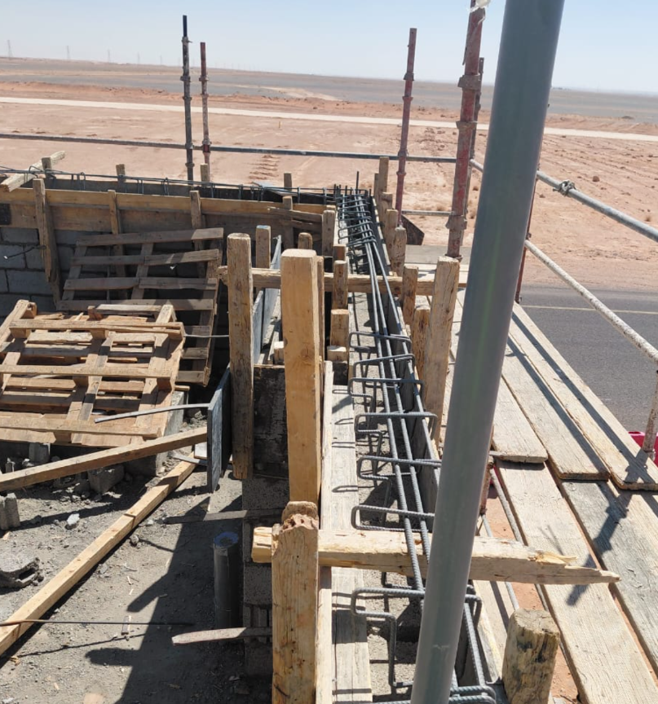
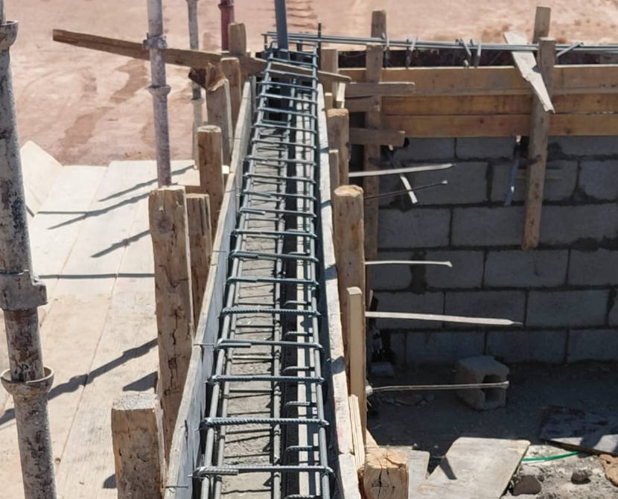
Date | 15-Sep-26

Fence Foundation Works |  | Fence Foundation Works
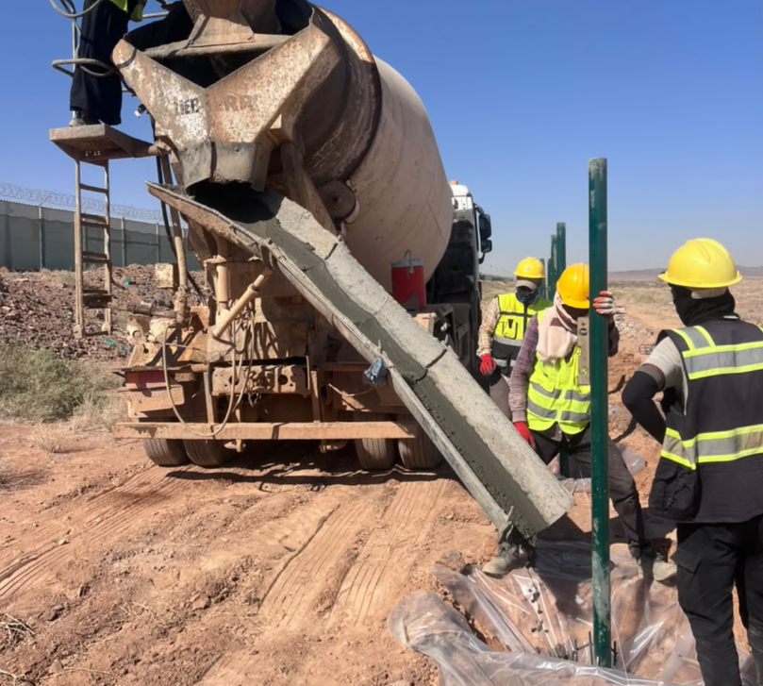
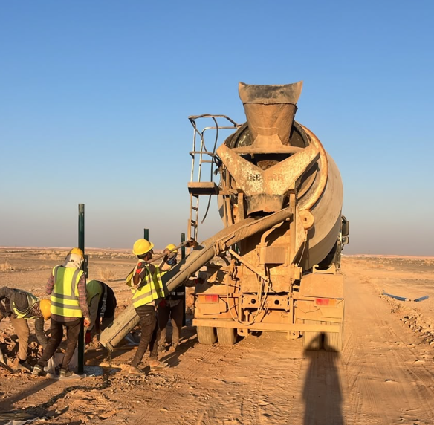

Form & Steel Works |  | Form & Steel Works

Manpower
MANUAL MANPOWER HISTOGRAM
 | Plan - Monthly | Actual - Monthly | Forecast - Monthly
May-26 | 8 | 9
Jun-26 | 18 | 15
Jul-26 | 20 | 14
Aug-26 | 20 | 90
Sep-26 | 15 | 108
Oct-26
Head-Count ( Non Manual)
MONTHS | May-26 | Jun-26 | Jul-26 | Aug-26 | Sep-26 | Oct-26
Plan - Monthly | 4 | 9 | 7 | 8 | 8
Planned - Cumulative | 4 | 13 | 20 | 28 | 36
Actual - Monthly | 11 | 11 | 11 | 11 | 11
Actual Cumulative | 11 | 22 | 33 | 44 | 55
Forecast - Monthly
Saudi Monthly - Actual
Head-Count (Manual)
MONTHS | May-26 | Jun-26 | Jul-26 | Aug-26 | Sep-26 | Oct-26
Plan - Monthly | 8 | 18 | 20 | 20 | 15
Planned - Cumulative | 8 | 26 | 46 | 66 | 81
Actual - Monthly | 9 | 15 | 14 | 90 | 108 |  |  |  |  |  |  |  |  |  |  |  |  |  |  |  |  | Apr-26
Actual Cumulative | 9 | 24 | 38 | 128 | 236 |  |  |  |  |  |  |  |  |  |  |  |  |  |  |  |  | May-26
Forecast - Monthly |  |  |  |  |  |  |  |  |  |  |  |  |  |  |  |  |  |  |  |  |  | Jun-26
Saudi - Actual |  |  |  |  |  |  |  |  |  |  |  |  |  |  |  |  |  |  |  |  |  | Jul-26
 |  |  |  |  |  |  |  |  |  |  |  |  |  |  |  |  |  |  |  |  |  | Aug-26
Head-Count (Non-Manual) |  |  |  |  |  |  |  |  |  |  |  |  |  |  |  |  |  |  | Month | Sep-26 | Oct-26
Planned | Actual |  | Variance |  | Forecast Next Month |  | Saudi Staff
#N/A | #N/A |  | #N/A |  | #N/A |  | #N/A

Head-Count (Manual) |  |  |  |  |  |  |  |  | Man Power by Trade
Planned | Actual |  | Variance |  | Forecast Next Month |  | Saudi Staff |  | Key Trade | General Labor | Carpenter | Plumber | Operator | Steel Fixer | Mason | Others | Total
#N/A | #N/A |  | #N/A |  | #N/A |  | #N/A |  | Plan | 50 | 10 | 5 | 10 | 15 | 10 | 30 | 130 | -130
 |  |  |  |  |  |  |  |  | Actual | 100 | 20 | 4 | 10 | 14 | 10 | 78 | 236 | -236

EQUIPMENT HISTOGRAM
 | Plan - Monthly | Actual - Monthly | Forecast - Monthly
May-26 | 8 | 9
Jun-26 | 8 | 9
Jul-26 | 7 | 10
Aug-26 | 9 | 12
Sep-26 | 3 | 8
Oct-26

Equipment
MONTHS | May-26 | Jun-26 | Jul-26 | Aug-26 | Sep-26 | Oct-26
Plan - Monthly | 8 | 8 | 7 | 9 | 3
Planned - Cumulative | 8 | 16 | 23 | 32 | 35
Actual - Monthly | 9 | 9 | 10 | 12 | 8
Actual Cumulative | 9 | 18 | 28 | 40 | 48
Forecast - Monthly

Equipment Count
Planned | Actual |  | Idle |  | Variance |  | Forecast Next Month
#N/A | #N/A |  |  |  | #N/A |  | #N/A

Type | Excavator |  | Loader |  | Dozer |  | Dumper | Crane | Grader | Other | Total
Plan
Actual
Idle

